RESP
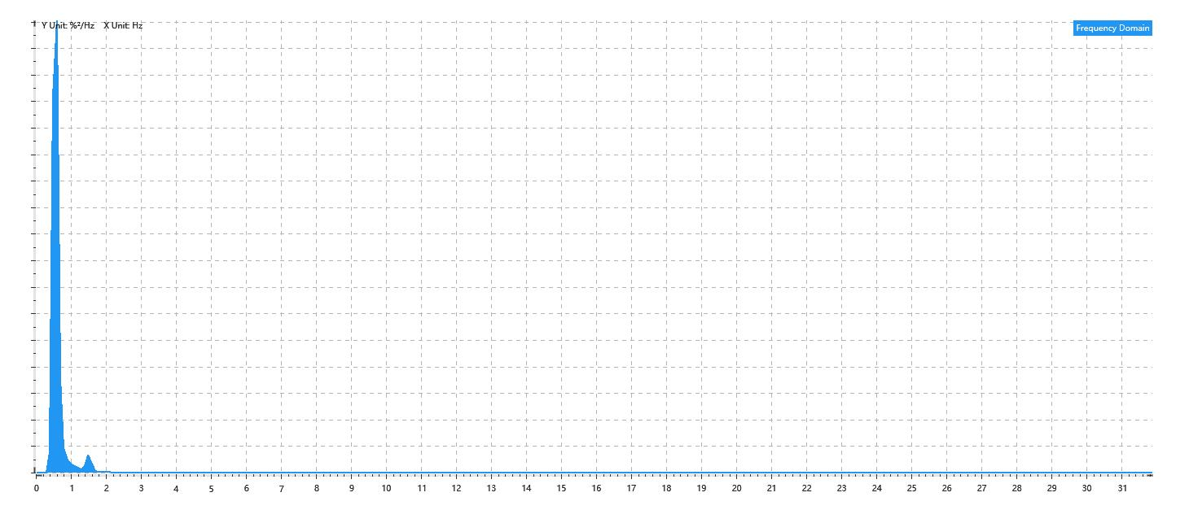
Data Info
 | Recording | 正式实验2
 | Subject | 赵殿飞
 | Create Time | 2023-11-13 15:55:50.698
 | Data Name | Chest1 RESP
 | Data Type | RESP
 | Sample Rate | 64
 | Segment | 前静息态
 | Start Time | 0:01:32
 | End Time | 0:06:32
 | Duration | 0:05:00

Replay Chart
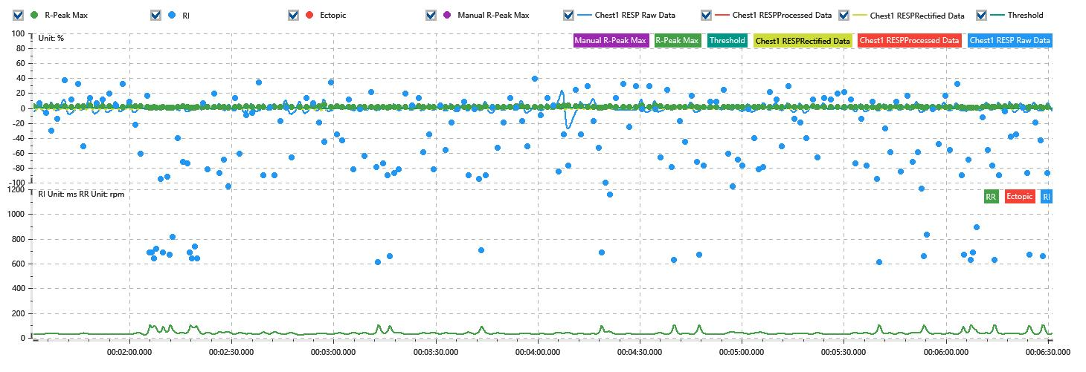

Process parameters
 | Filters
 | Wavlet filter | Enabled | 中
 | Baseline filter | Enabled | 0.5%
 | Band Stop filter | Enabled | 50%
 | Low Pass filter | Enabled | 20%
 | Interbeat Interval
 | R-Peak extraction | Maximum resp rate | 100rpm
 | R-Peak extraction | R-Peak mark threshold | 50%
 | Rectification | Method | Enabled | 滑动平均
 | Rectification | Window size | Enabled | 100ms

Time Domain
 | Data | AVRESP | Std | Max | Min | Range | Data Length
 | Respiratory Rate | 39.8rpm | 14.99rpm | 100rpm | 24.09rpm | 75.91rpm | 4800

Frequency Domain
 | Power | Peak | Data Length
 | 7.9%² | 0.6Hz | 320

PSD Chart

